Sheet1
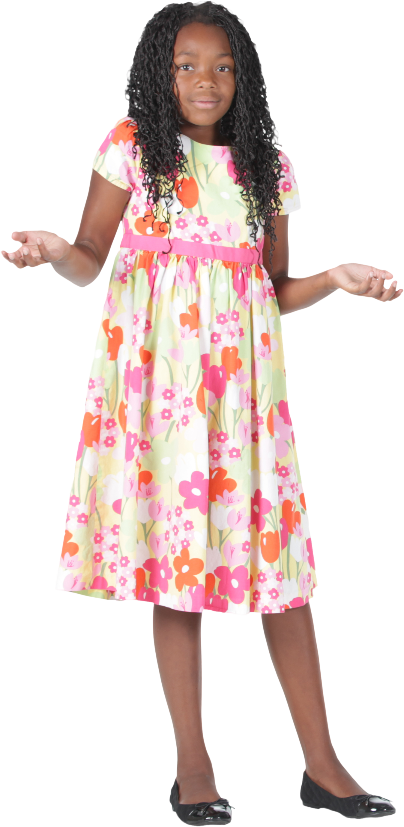
Data | Answer Expected
A-1 | A | 1, 4, 9
B-2 | B | 2, 33
C-9 | C | 3, 9, 432
A-4 | D
D | E | 12
Generate the given output
C-3
B-2
E-12
A-4
A-9
B-33
C-432
B-2

